bug1
Bug ID |  | tester | Date
DWS_1 |  | sondos | 2024-11-10

Title |  | FILE ATTACHMENT(S) | Environment
Incomplete Specifications for some product (the necessary to buy) |  |  | production linux OS laptop version: Ubuntu 22.04.4 LTS
DESCRIPTION |  | steps to reproduce
1- Missing technical details such as: Processor type and speed. RAM size. Storage capacity (SSD/HDD and size). Graphics card information. Operating system details (e.g., Windows version, if included). These are critical for users to make an informed decision about a desktop PC. 2- Missing warranty |  | 1- Navigate to the link of the website 2- choose the computers category. 3- click on the desktop part and choose "Desktop PC with CD RW" 4- notice the specifications of this item other products have the same issue

SCREENSHOT DEMONSTRATING BUG'S BEHAVIOR
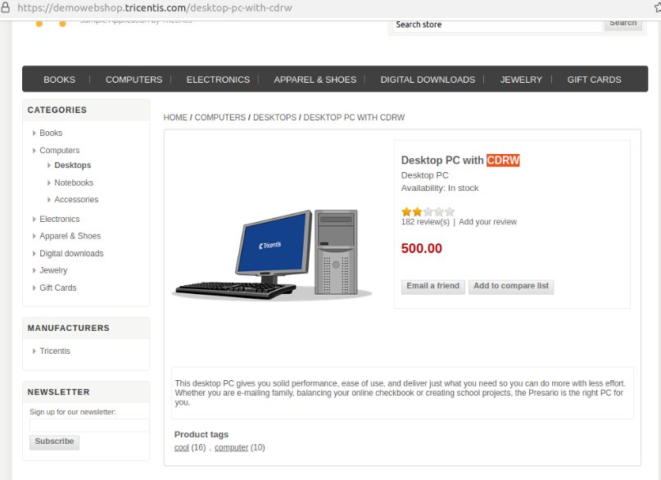

SEVERITY | X | PRIORITY | X
Critical |  | Critical
High |  | High
Medium | TRUE | Medium | TRUE
Low |  | Low

Expected Results |  | Actual Results
Full Technical Specifications: Processor, RAM, storage, graphics card, motherboard, and any other hardware features. Accessories Included:Detailed list of what comes in the box (e.g., wireless keyboard and mouse). Product Dimensions and Weight: Important for users considering space constraints or shipping. Warranty and Support: Duration and type (e.g., on-site or carry-in support). Customization Options: If applicable, list the upgradeable components. High-Quality Images: Multiple views of the product, showing the design and features. Shipping and Returns: Details on costs, delivery times, and policies. |  | some information about the product: Product Name Availability: Indicates the product is in stock. Price

bug2
Bug ID |  | tester | Date
DWS_2 |  | sondos | 2024-11-10

Title |  | FILE ATTACHMENT(S) | Environment
Many products are available in stock but can't be added to cart (general issue) |  |  | production linux OS laptop version: Ubuntu 22.04.4 LTS
DESCRIPTION |  | steps to reproduce | URL
this bug is frequent in many items in different category, Many products that are marked as "in stock" on the website cannot be added to the cart. Despite appearing available, the clickable button "Add to Cart" isn't available |  | Navigate to the link of the website choose any product catalog or any product detail page(e.g; computers, camera). Identify a product that doesn't have the button of ""add to cart. Click ton this product and u will find it's marked as "in stock" but the "Add to Cart" button isn't available

SCREENSHOT DEMONSTRATING BUG'S BEHAVIOR
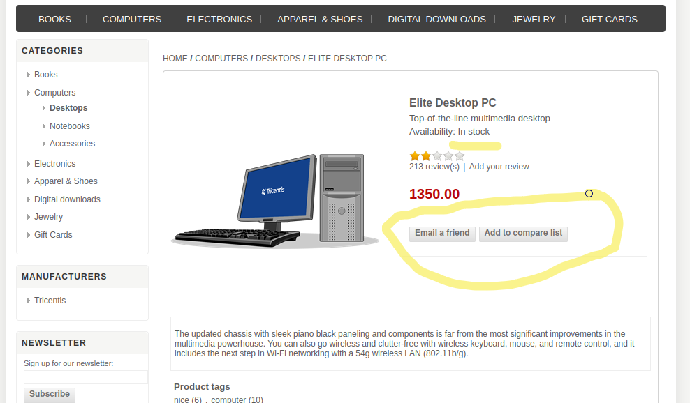
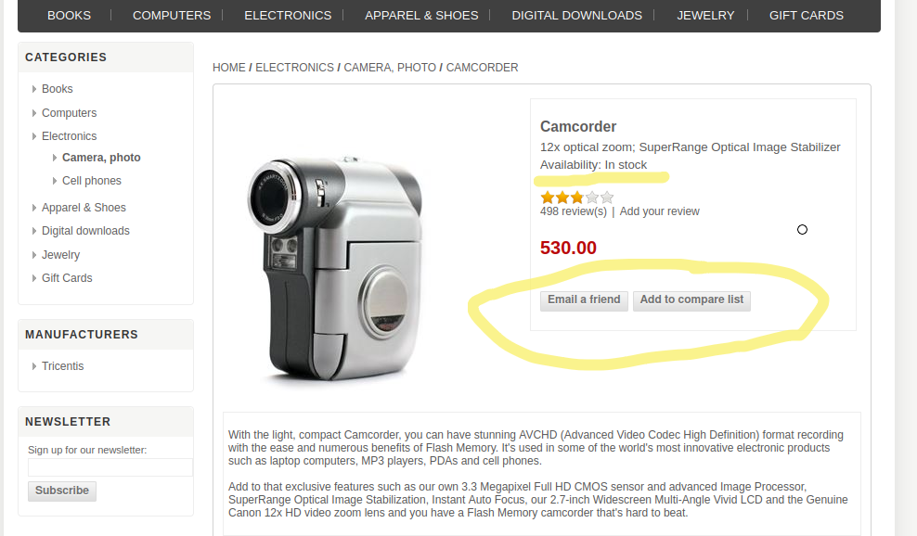

SEVERITY | X | PRIORITY | X
Critical | TRUE | Critical | TRUE
High |  | High
Medium |  | Medium
Low |  | Low

Expected Results |  | Actual Results
Products marked as "in stock" should have "add to cart button' when clicking on the button it can be successfully added to the cart |  | no "Add to cart" button appears for available products

bug3
Bug ID |  | tester | Date
DWS_3 |  | sondos | 2024-11-10

Title |  | FILE ATTACHMENT(S) | Environment
Redundant Items Displayed: Same Product Appears Twice (With and Without 'Add to Cart' Button) |  |  | production linux OS laptop version: Ubuntu 22.04.4 LTS
DESCRIPTION |  | steps to reproduce
General issue The same product is displayed twice in the product catalog . One instance of the product shows an 'Add to Cart' button, while the other does not. This redundancy confuses users and creates inconsistency in the shopping experience. It may also indicate a data duplication or rendering issue in the system. |  | Navigate to the website and choose any product catalog (books) . Observe that many same product appearing twice in the results. One version of the product has an 'Add to Cart' button. The second version lacks the 'Add to Cart' button. Compare the product details (e.g., name, description, price, image) and confirm they are identical.

SCREENSHOT DEMONSTRATING BUG'S BEHAVIOR
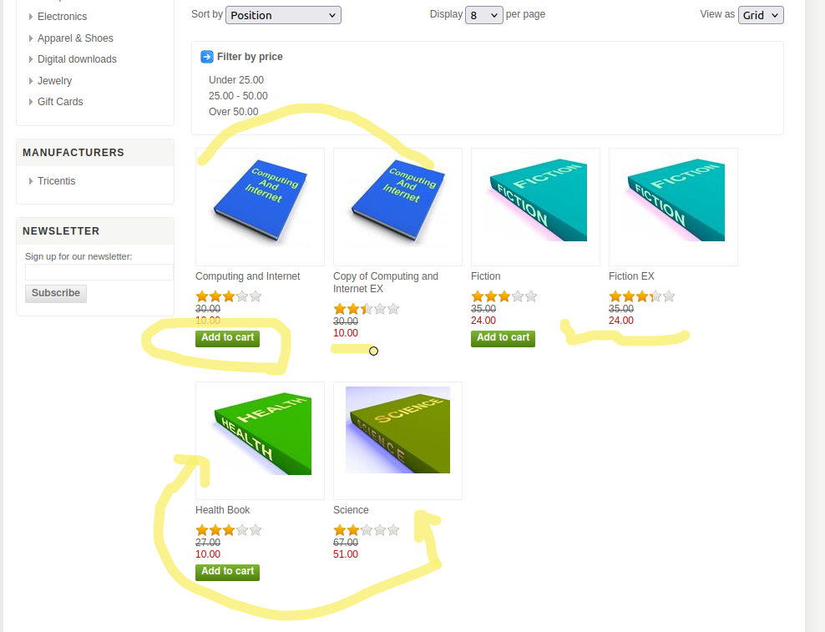

SEVERITY | X | PRIORITY | X
Critical |  | Critical
High |  | High | TRUE
Medium |  | Medium
Low | TRUE | Low

Expected Results |  | Actual Results
Each product should only appear once in the catalog or search results, with the correct 'Add to Cart' button displayed, provided it is in stock and available for purchase. |  | The same product appears twice: One instance includes an 'Add to Cart' button. The other instance does not include the button, causing confusion.

bug5
Bug ID |  | tester | Date
DWS_5 |  | sondos | 2024-11-10

Title |  | FILE ATTACHMENT(S) | Environment
wrong category assignment for an item(laptop under the category of notebook) |  |  | production linux OS laptop version: Ubuntu 22.04.4 LTS
DESCRIPTION |  | steps to reproduce
A product intended for the Laptops category is mistakenly categorized under Notebooks, creating confusion for users browsing for laptops. poor user experience. |  | 1- Navigate to the website then choose computers Category. 2- Choose the subcategory notebooks. 3- Notice that there is no notebooks it's only a laptop item. 4- Open the product page and verify its specifications, confirming it belongs to the Laptops category instead of Notebooks.

SCREENSHOT DEMONSTRATING BUG'S BEHAVIOR
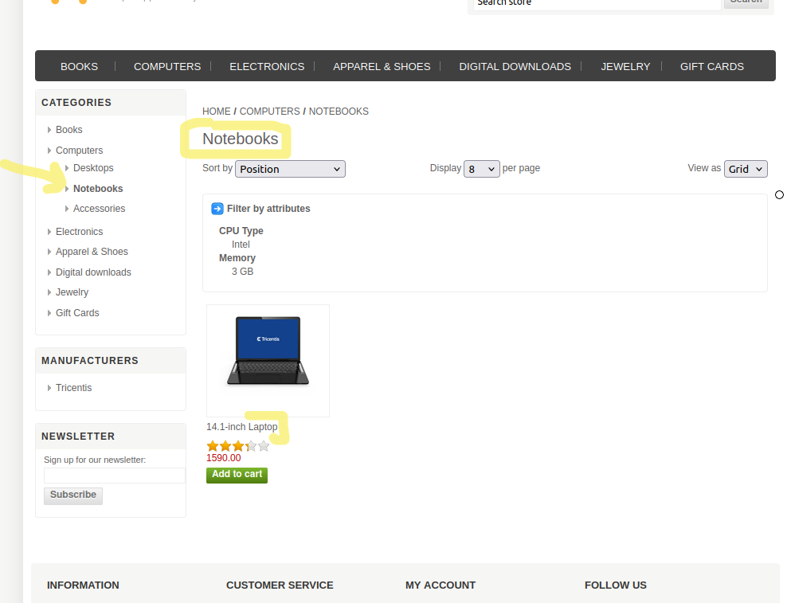

SEVERITY | X | PRIORITY | X
Critical |  | Critical | TRUE
High | TRUE | High
Medium |  | Medium
Low |  | Low

Expected Results |  | Actual Results
The product should be correctly assigned to the Laptops category. The Notebooks sub category should only contain products relevant to it and doesn't exist in the computers category. |  | A Laptop product is found under the Notebooks category.

bug13
Bug ID |  | tester | Date
DWS_13 |  | sondos | 2024-11-10

Title |  | FILE ATTACHMENT(S) | Environment
name field in the "card gift" item accepts numbers and special characters |  |  | production linux OS laptop version: Ubuntu 22.04.4 LTS
DESCRIPTION |  | steps to reproduce
The Name field for the "Card Gift" item in the product catalog allows users to enter numbers and special characters, which is inappropriate for a product name field. The field should only accept letters and possibly spaces, as the product name typically contains only text-based characters. |  | Navigate to the Card Gift item on the product page. Focus on the Name field for the product. Enter numbers (e.g., "12345") or special characters (e.g., "!@#$%") into the Name field. Observe that the system allows the input of such characters without triggering an error message and add the gift card to cart.

SCREENSHOT DEMONSTRATING BUG'S BEHAVIOR
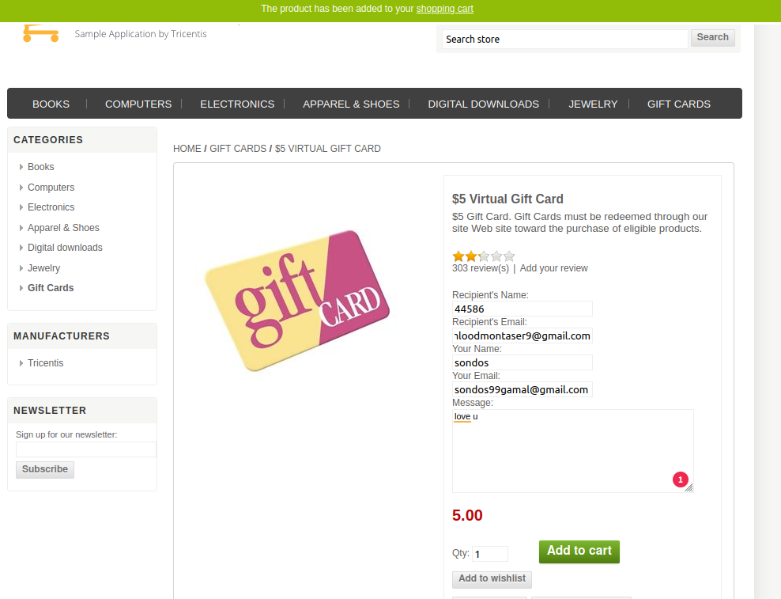

SEVERITY | X | PRIORITY | X
Critical |  | Critical
High |  | High
Medium |  | Medium | TRUE
Low | TRUE | Low

Expected Results |  | Actual Results
The Name field should only accept alphabetical characters (letters) and possibly spaces. Entering numbers or special characters should trigger a validation error, such as "Please enter a valid name."

bug14
Bug ID |  | tester | Date
DWS_14 |  | sondos | 2024-11-10

Title |  | FILE ATTACHMENT(S) | Environment
Accepting Mail Domain of One Character in the Gift Card Receive Email |  |  | production linux OS laptop version: Ubuntu 22.04.4 LTS
DESCRIPTION |  | steps to reproduce | URL
The email field for sender and receiver of the gift card allows an email domain with a single character (e.g., hdsi@l.c). This is not a valid domain format for email addresses, as the domain part after the "@" symbol should consist of at least two characters before the dot (.) and at least one character after the dot (e.g., .com, .org, etc.). Allowing this type of domain is a data validation issue and may result in undeliverable emails or incorrect email format handling |  | Navigate to the Card Gift item on the product page. Focus on the email field for sender or receiver. Enter an email address with a single-character domain, such as hdsi@l.c. Add the gift card to cart.

SCREENSHOT DEMONSTRATING BUG'S BEHAVIOR
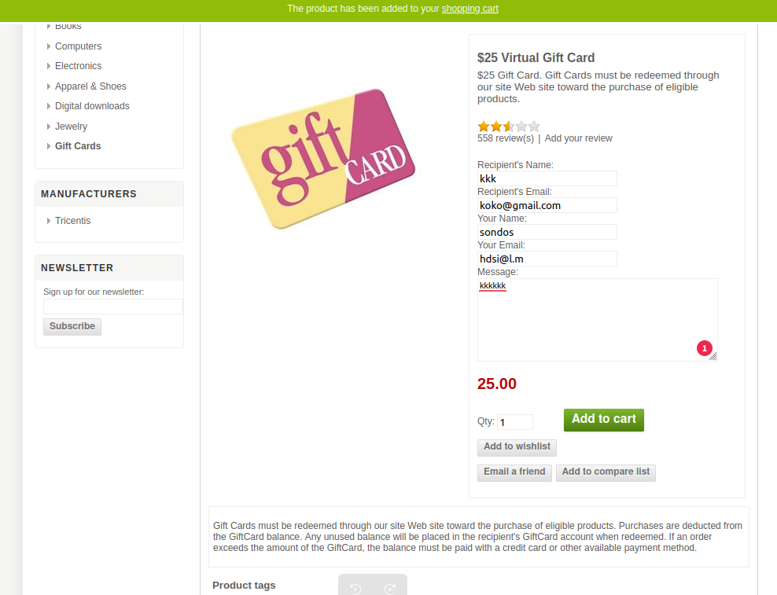

SEVERITY | X | PRIORITY | X
Critical |  | Critical | TRUE
High | TRUE | High
Medium |  | Medium
Low |  | Low

Expected Results |  | Actual Results
The system should validate the email address properly before accepting it. A validation error should be triggered for email addresses with invalid domains (e.g., one-character domains), such as "Please enter a valid email address."

bug15
Bug ID |  | tester | Date
DWS_15 |  | sondos | 2024-11-10

Title |  | FILE ATTACHMENT(S) | Environment
no information in the Manufacturers category |  |  | production linux OS laptop version: Ubuntu 22.04.4 LTS
DESCRIPTION |  | steps to reproduce | URL
The Manufacturers (Tricentis) category does not display any products or information when selected. This lack of information affects the user's ability to filter or view products related to the Tricentis brand.poor user experience |  | Navigate to the website Clicks on Tricentis hyperlink under Manufacturers Category

SCREENSHOT DEMONSTRATING BUG'S BEHAVIOR
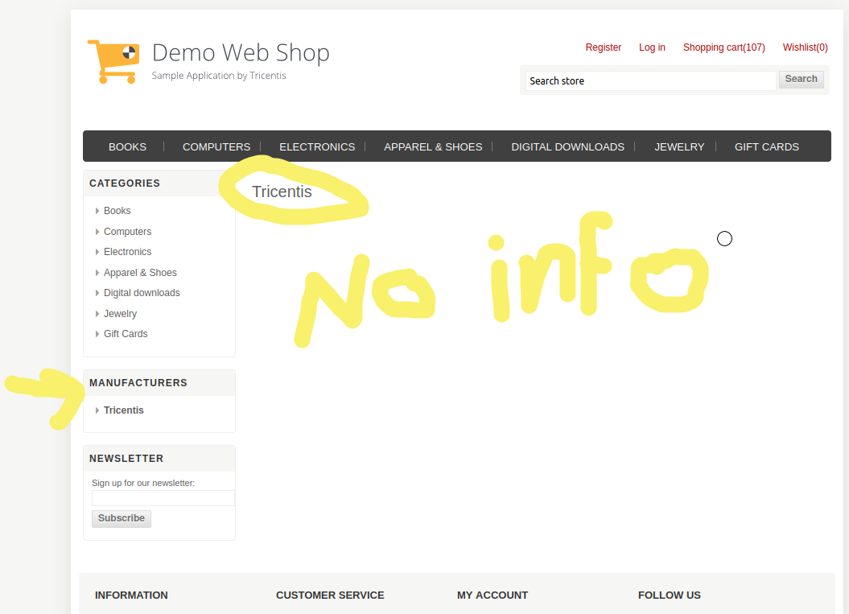

SEVERITY | X | PRIORITY | X
Critical |  | Critical
High |  | High
Medium |  | Medium | TRUE
Low | TRUE | Low

Expected Results |  | Actual Results
finding information or filters about the brand |  | empty

bug16
Bug ID |  | tester | Date
DWS_16 |  | sondos | 2024-11-10

Title |  | FILE ATTACHMENT(S) | Environment
Incorrect Search Results Displayed for Keyword 'ear' |  |  | production linux OS laptop version: Ubuntu 22.04.4 LTS
DESCRIPTION |  | steps to reproduce | URL
When using the search bar and typing the keyword "ear", the results displayed include both "earrings" and "necklace," despite the latter not containing the keyword "ear" in its title or description. This issue causes confusion as the search results are not accurate or relevant to the keyword entered. |  | Navigate to the website's search bar. Type the keyword "ear" into the search bar. Press Enter or click the Search button. Observe the displayed search results.

SCREENSHOT DEMONSTRATING BUG'S BEHAVIOR
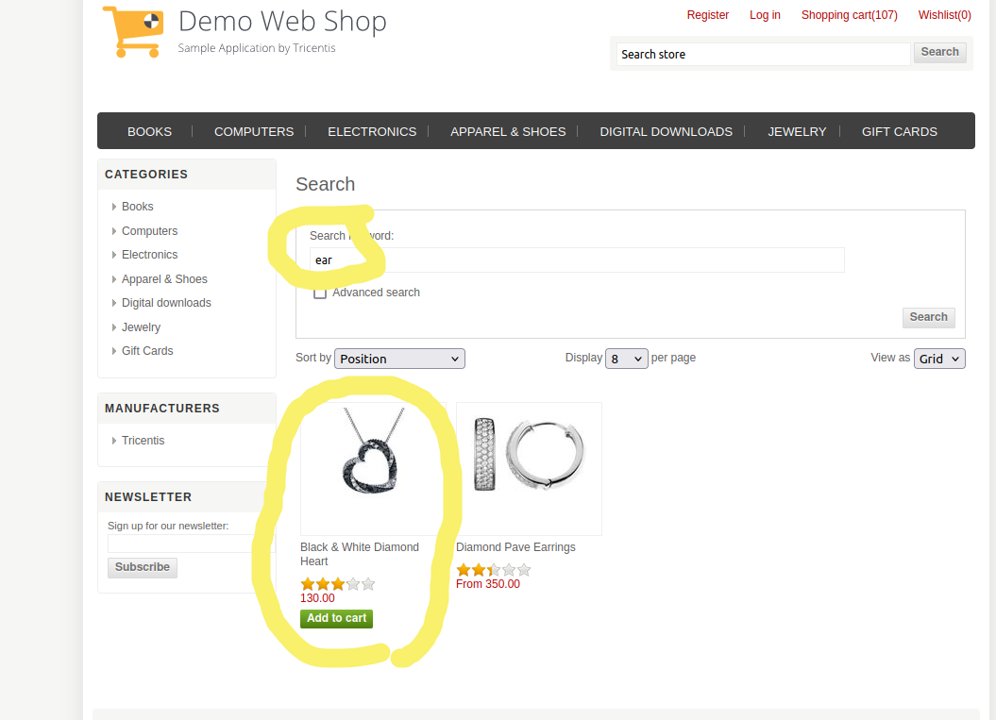

SEVERITY | X | PRIORITY | X
Critical |  | Critical | TRUE
High |  | High
Medium | TRUE | Medium
Low |  | Low

Expected Results |  | Actual Results
The search should display only products that have "ear" in their title, description, or tags, such as "earrings." "Necklace" or other unrelated products should not appear in the search results unless they are tagged with the keyword "ear". |  | The search results incorrectly display both "earrings" and "necklace," despite the "necklace" product not containing the keyword "ear" in its title, description, or tags.

bug17
Bug ID |  | tester | Date
DWS_17 |  | sondos | 2024-11-10

Title |  | FILE ATTACHMENT(S) | Environment
zip code field in the estimating shipping accepts alphabetic and special character |  |  | production linux OS laptop version: Ubuntu 22.04.4 LTS
DESCRIPTION |  | steps to reproduce
The Zip Code field in the Estimate Shipping section accepts invalid input, such as alphabetic characters (e.g., "abcde") and special characters (e.g., "@#$%"). and proceeding to continue the checkout process |  | 1-navigate to the website 2- place an order 3- go to the shopping cart 4- enter alphabets and special characters in the zip code field in the estimating shipping part

SCREENSHOT DEMONSTRATING BUG'S BEHAVIOR
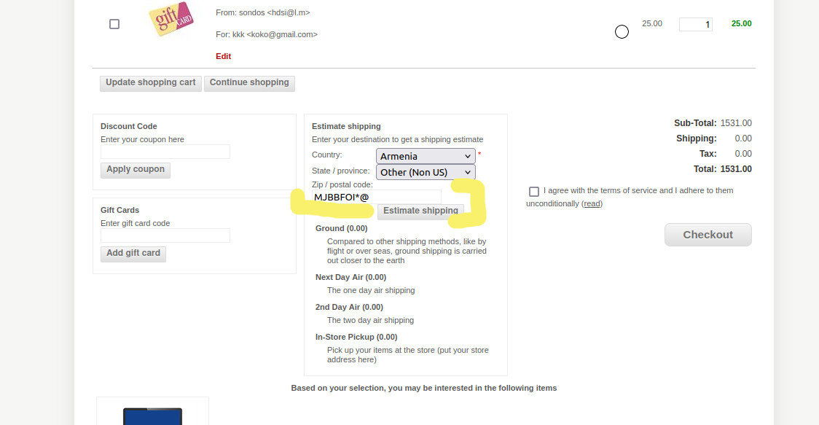

SEVERITY | X | PRIORITY | X
Critical |  | Critical
High | TRUE | High | TRUE
Medium |  | Medium
Low |  | Low

Expected Results |  | Actual Results
The Zip Code field should validate the input to ensure it only accepts numeric values (e.g., "12345") and, if applicable, specific formats (e.g., "12345-6789" for the U.S.). Invalid inputs (alphabetic and special characters) should trigger a descriptive error message, such as: "Invalid zip code. Please enter a valid numeric value." |  | The system accepts alphabetic and special character inputs in the Zip Code field without validation errors, allowing the user to proceed.

bug18
Bug ID |  | tester | Date
DWS_18 |  | sondos | 2024-11-10

Title |  | FILE ATTACHMENT(S) | Environment
name field in the Billing address info accepts numbers and special characters |  |  | production linux OS laptop version: Ubuntu 22.04.4 LTS
DESCRIPTION |  | steps to reproduce
The Name field in the Billing Address Info section accepts invalid inputs such as numeric values (e.g., "123") and special characters (e.g., "@!"). This compromises data accuracy and diminishes the overall professionalism of the system. |  | Navigate to the Billing Address Info section during the checkout process. Locate the Name field. Enter a name containing numbers and special characters, such as: "John123" "@John!Doe" Proceed to the next step by clicking continue

SCREENSHOT DEMONSTRATING BUG'S BEHAVIOR
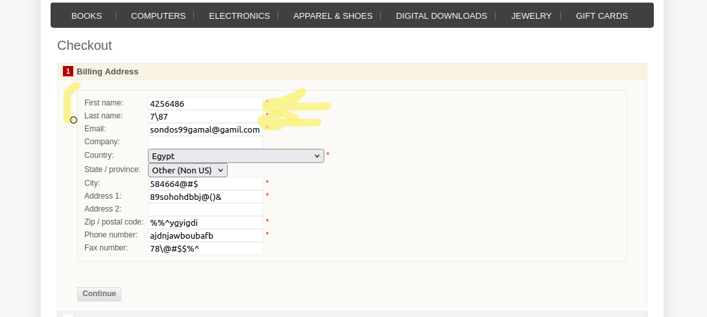

SEVERITY | X | PRIORITY | X
Critical |  | Critical
High |  | High | TRUE
Medium | TRUE | Medium
Low |  | Low

Expected Results |  | Actual Results
The Name field should validate the input to allow only alphabetic characters (with appropriate exceptions for spaces, hyphens, and apostrophes). Invalid inputs should trigger a descriptive error message, such as: "Invalid name. Please enter only alphabetic characters." |  | The system accepts names with numeric and special characters without any validation errors.

bug19
Bug ID |  | tester | Date
DWS_19 |  | sondos | 2024-11-10

Title |  | FILE ATTACHMENT(S) | Environment
city field in Billing address info accepts numeric values & special characters |  |  | production linux OS laptop version: Ubuntu 22.04.4 LTS
DESCRIPTION |  | steps to reproduce | URL
he City field in the Billing Address Info section accepts invalid inputs such as numeric values (e.g., "City 123") and special characters (e.g., "@City!"). This compromises the quality and accuracy of user-entered location data, potentially leading to shipping errors or delay |  | Navigate to the Billing Address Info section during the checkout process. Locate the city field. Enter a value containing numbers and special characters, such as: "J548654*@#$ Proceed to the next step by clicking continue

SCREENSHOT DEMONSTRATING BUG'S BEHAVIOR
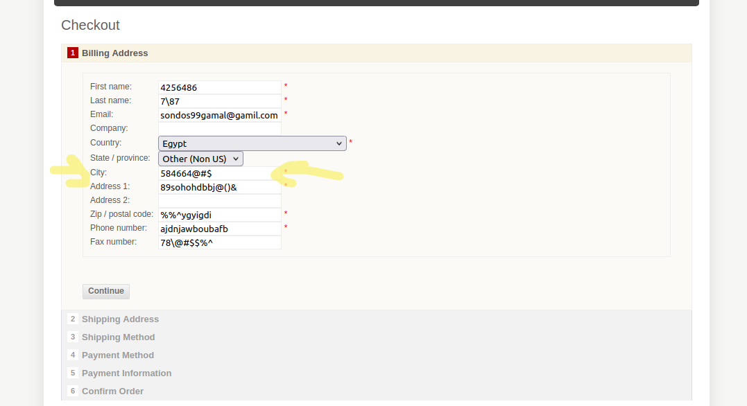

SEVERITY | X | PRIORITY | X
Critical |  | Critical | TRUE
High |  | High
Medium | TRUE | Medium
Low |  | Low

Expected Results |  | Actual Results
he City field should validate the input to allow only alphabetic characters (with appropriate exceptions for spaces and hyphens). Invalid inputs should trigger a descriptive error message, such as: "Invalid city name. Please enter only alphabetic characters." |  | The system accepts names with numeric and special characters without validation errors.

bug20
Bug ID |  | tester | Date
DWS_20 |  | sondos | 2024-11-10

Title |  | FILE ATTACHMENT(S) | Environment
State Options Field Displays Only Non-US Options in Billing Address |  |  | production linux OS laptop version: Ubuntu 22.04.4 LTS
DESCRIPTION |  | steps to reproduce | URL
The state options field in the billing address form only displays other non-US s whatever a user selects the United States or other country as their country. The list should show US states when the country is set to "United States" and relevant options when other countries are selected. This bug causes confusion for users |  | Navigate to the Billing Address Info section during the checkout process. Locate the state/ province field. Click on the list

SCREENSHOT DEMONSTRATING BUG'S BEHAVIOR
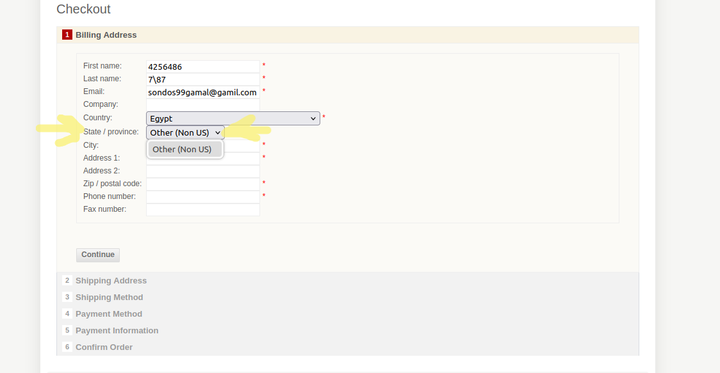

SEVERITY | X | PRIORITY | X
Critical |  | Critical
High |  | High | TRUE
Medium | TRUE | Medium
Low |  | Low

Expected Results |  | Actual Results
When United States is selected as the country in the billing address section, the state options field should show all US states (e.g., California, New York, Texas, etc.). When a user selects any other country, the state options should dynamically update to show regions or states relevant to that country.

bug21
Bug ID |  | tester | Date
DWS_21 |  | sondos | 2024-11-10

Title |  | FILE ATTACHMENT(S) | Environment
address field in billing address info accepts special char |  |  | production linux OS laptop version: Ubuntu 22.04.4 LTS
DESCRIPTION |  | steps to reproduce | URL
The Address field in the Billing Address Info section allows users to input special characters (e.g., "@", "#", "$", "!"), which are invalid for most physical addresses. |  | Navigate to the Billing Address Info section during the checkout process. Locate the Address field. Enter a value containing numbers and special characters, such as: "J548654*@#$ Proceed to the next step by clicking continue

SCREENSHOT DEMONSTRATING BUG'S BEHAVIOR
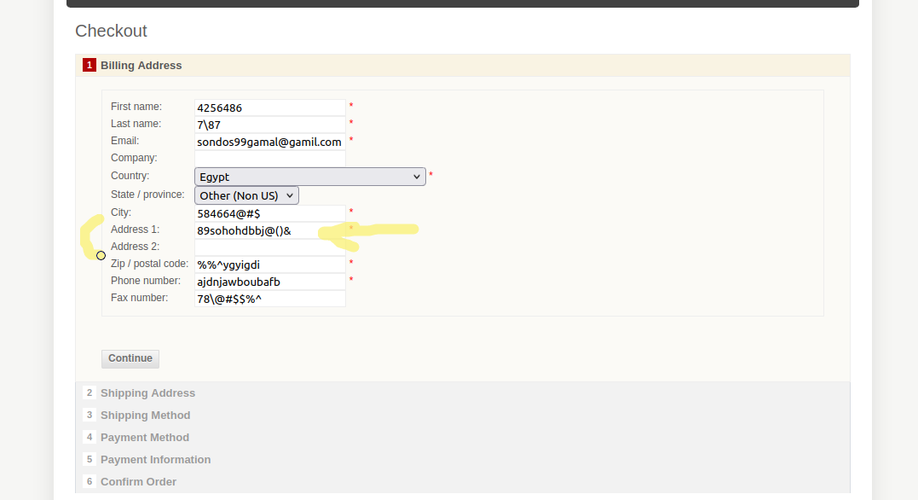

SEVERITY | X | PRIORITY | X
Critical |  | Critical
High |  | High
Medium |  | Medium | TRUE
Low | TRUE | Low

Expected Results |  | Actual Results
The Address field should validate the input to allow only appropriate characters such as letters, numbers, spaces, commas, periods, and hyphens. Invalid inputs should trigger a descriptive error message, such as: "Invalid address. Please avoid using special characters." |  | The system accepts inputs with special characters without any validation error.

bug 22
Bug ID |  | tester | Date
DWS_22 |  | sondos | 2024-11-10

Title |  | FILE ATTACHMENT(S) | Environment
postal code in billing address info accepts alphabets and special characters |  |  | production linux OS laptop version: Ubuntu 22.04.4 LTS
DESCRIPTION |  | steps to reproduce | URL

SCREENSHOT DEMONSTRATING BUG'S BEHAVIOR
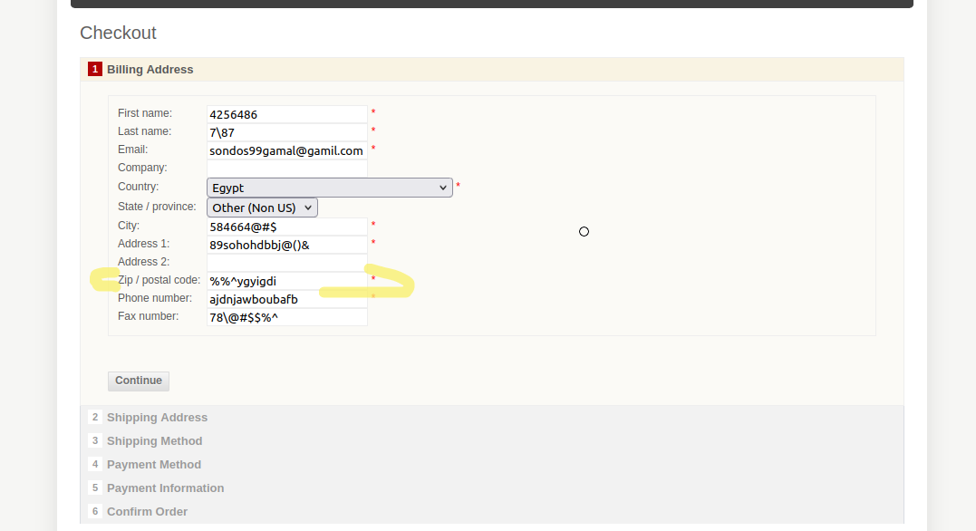

SEVERITY | X | PRIORITY | X
Critical |  | Critical | TRUE
High | TRUE | High
Medium |  | Medium
Low |  | Low

Expected Results |  | Actual Results

bug23
Bug ID |  | tester | Date
DWS_23 |  | sondos | 2024-11-10

Title |  | FILE ATTACHMENT(S) | Environment
phone number field in the billing address information accepts alphabets and special characters |  |  | production linux OS laptop version: Ubuntu 22.04.4 LTS
DESCRIPTION |  | steps to reproduce | URL
The phone number field incorrectly accepts alphabetic characters and special characters (such as letters, symbols, or punctuation marks) when users attempt to enter a valid phone number. This is a form validation issue, as the phone number field should only allow numeric input (digits) and may optionally allow specific symbols such as "+" or "-" (for international numbers or hyphenated formats). |  | Place an order Navigate to the checkout page and you will find billing address information. In the phone number field, attempt to enter alphabetic characters (e.g., letters) or special characters (e.g., @, $, #, etc.). fill the other fields in the form. Observe that the form does not reject the alphabetic or special characters and accepts them as valid input.

SCREENSHOT DEMONSTRATING BUG'S BEHAVIOR
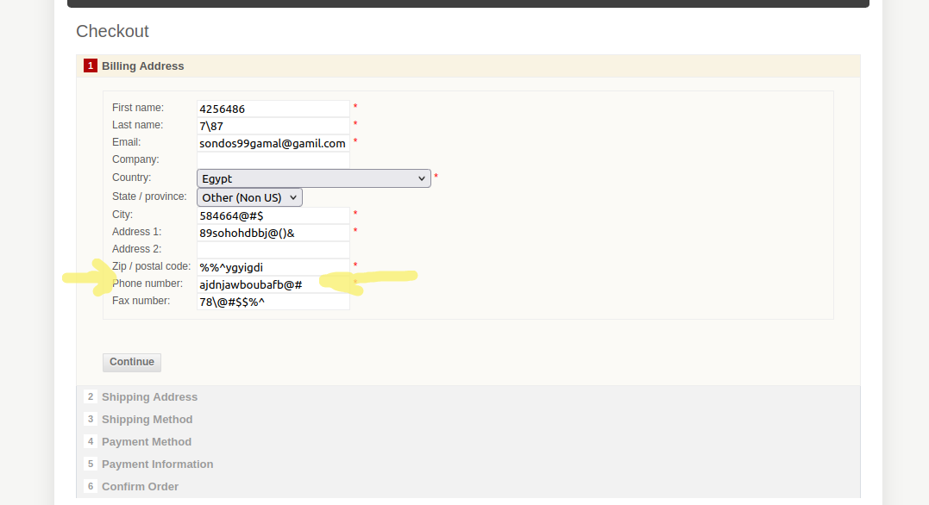

SEVERITY | X | PRIORITY | X
Critical | TRUE | Critical | TRUE
High |  | High
Medium |  | Medium
Low |  | Low

Expected Results |  | Actual Results
The form should reject alphabetic characters (a-z, A-Z) and special characters (e.g., @, #, $, &, etc.), displaying an appropriate validation message if any of these characters are entered. Example validation message: "Please enter a valid phone number. Only numbers, +, and - are allowed." |  | the system allows the user to enter alphabetic characters and special characters in the phone number field without any validation or rejection, which could result in incorrect or incomplete data.

bug 25
Bug ID |  | tester | Date
DWS_25 |  | sondos | 2024-11-10

Title |  | FILE ATTACHMENT(S) | Environment
The error messages that are displayed when the fields are empty are not descriptive error message |  |  | production linux OS laptop version: Ubuntu 22.04.4 LTS
DESCRIPTION |  | steps to reproduce | URL
When a user submits the form with empty fields (cardholder name, card number), the error messages displayed are not descriptive. Instead of providing clear guidance, the messages show a generic or confusing error, such as "wrong card code", making it difficult for users to understand that the issue is due to missing input. The system should display clear and helpful messages like "This field is required" or "Please enter your card code", but it currently doesn't give the user enough information to correct the mistake. |  | Place an order Navigate to the checkout page and choose credit card method where credit card details are entered. Leave one or more fields empty (e.g., card code, cardholder name, ). click on continue to submit the form. Observe the error messages displayed. They will show generic or unclear messages, such as "wrong code," instead of indicating that the field is empty and needs to be filled in.

SCREENSHOT DEMONSTRATING BUG'S BEHAVIOR
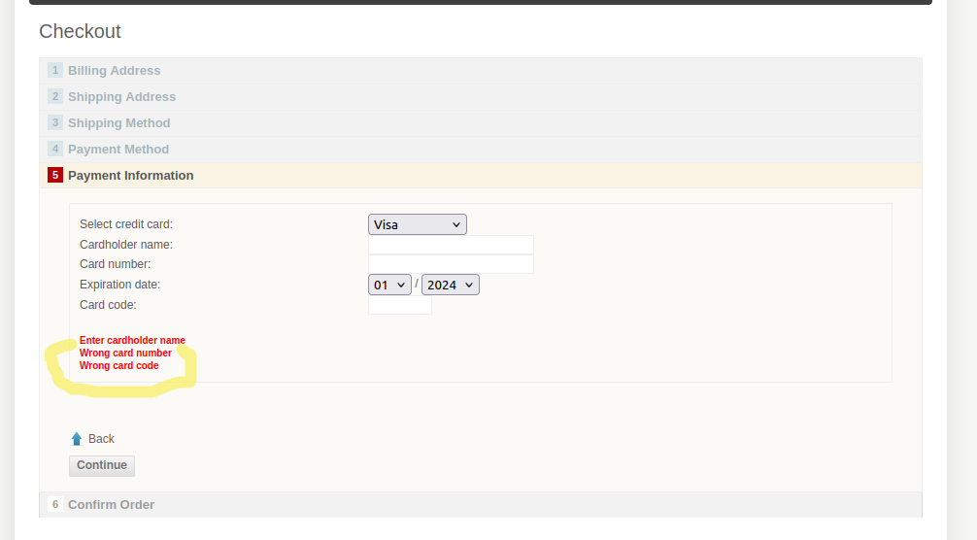

SEVERITY | X | PRIORITY | X
Critical |  | Critical
High |  | High
Medium |  | Medium | TRUE
Low | TRUE | Low

Expected Results |  | Actual Results
When a field is left empty, the system should display a clear, descriptive error message indicating that the field is required and needs to be filled in. Example error messages: "This field is required." |  | The error messages displayed are non-descriptive and generic, such as "wrong card code," when fields are empty. Users may not understand what they need to do to correct the error.

bug26
Bug ID |  | tester | Date
DWS_26 |  | sondos | 2024-11-10

Title |  | FILE ATTACHMENT(S) | Environment
Expired Credit Card Expiry Date Accepted in Payment Process |  |  | production linux OS laptop version: Ubuntu 22.04.4 LTS
DESCRIPTION |  | steps to reproduce
The payment form incorrectly accepts expired credit card expiry dates during the checkout process. and it shows old dates options like 01/2024 When a user attempts to submit payment details with a credit card that has already passed its expiry date, the system does not validate the expiration date properly, allowing the transaction to proceed. This issue could result in failed transactions or processing errors and violates basic payment validation rules, as expired credit cards should not be accepted for payment. |  | Place an order Navigate to the checkout page and choose credit card method where credit card details are entered. Enter the details of a credit card then choose od date from the list of the expiration date Fill out the rest of the required payment details (name, card number, CVV). Attempt to submit the payment. The system does not reject the expired card or show an error message and allows the payment to proceed, even though the expiry date is invalid.

SCREENSHOT DEMONSTRATING BUG'S BEHAVIOR
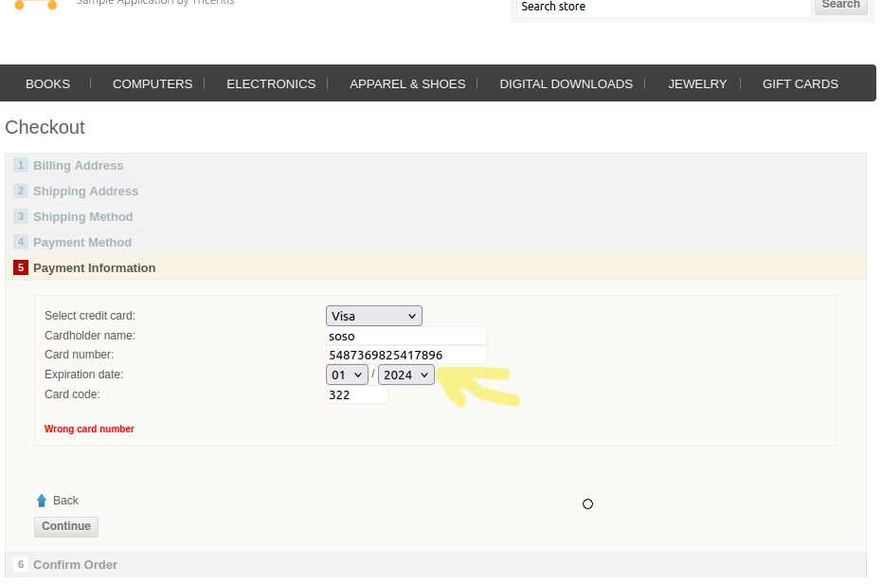

SEVERITY | X | PRIORITY | X
Critical | TRUE | Critical | TRUE
High |  | High
Medium |  | Medium
Low |  | Low

Expected Results |  | Actual Results
The list of date doesn't provide old dates (always updated) When a credit card with an expired expiry date is entered, the system should reject the card and display an error message indicating that the card is expired: (e.g., "This credit card has expired. Please use a valid card."). The user should not be able to proceed with the payment using the expired card. |  | The system provide old dates as an option The system incorrectly accepts an expired credit card and allows the user to proceed with the payment process without displaying any error related to the expired card.

bug27
Bug ID |  | tester | Date
DWS_27 |  | sondos | 2024-11-10

Title |  | FILE ATTACHMENT(S) | Environment
"CVV Field Accepts Incorrect Number of Digits for Visa, MasterCard, Discover, and AMEX" |  |  | production linux OS laptop version: Ubuntu 22.04.4 LTS
DESCRIPTION |  | steps to reproduce
The CVV field on the payment form incorrectly accepts the wrong number of digits for certain credit card types: Visa, MasterCard, and Discover cards accept 4 digits instead of the standard 3 digits. AMEX cards accept 4 digits in the CVV field, while the standard for AMEX cards is 3 digits. This discrepancy violates the expected format for each card type and could lead to processing errors or security issues as the validation for the CVV is inconsistent with the card type.

SCREENSHOT DEMONSTRATING BUG'S BEHAVIOR
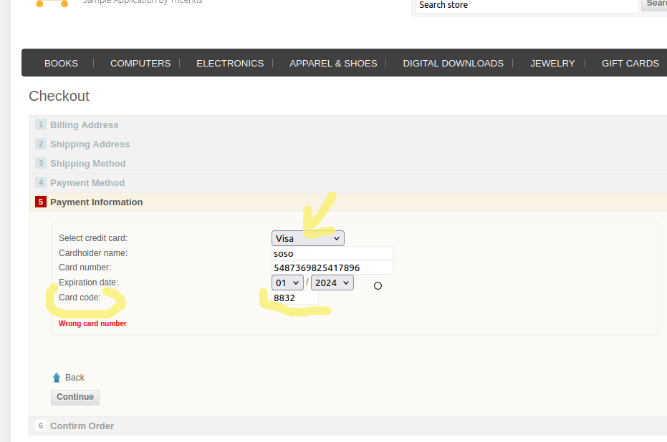

SEVERITY | X | PRIORITY | X
Critical | TRUE | Critical | TRUE
High |  | High
Medium |  | Medium
Low |  | Low

Expected Results |  | Actual Results
For Visa, MasterCard, and Discover cards, the CVV field should accept only 3 digits. For AMEX cards, the CVV field should accept only 4 digits. If the user enters an incorrect number of digits, the system should display an error message like: "CVV for Visa, MasterCard, or Discover should be 3 digits." "CVV for AMEX should be 4 digits." |  | The CVV field accepts 4 digits for Visa, MasterCard, and Discover, which is incorrect. The CVV field accepts 4 digits for AMEX, while it should only accept 3 digits.

bug28
Bug ID |  | tester | Date
DWS_28 |  | sondos | 2024-11-10

Title |  | FILE ATTACHMENT(S) | Environment
credit card's name field accepts numeric values and special characters |  |  | production linux OS laptop version: Ubuntu 22.04.4 LTS
DESCRIPTION |  | steps to reproduce | URL
The credit card name field on the payment form incorrectly accepts numeric values and special characters (e.g., 1234, !@#$%), which is not compliant with the expected input format for credit card holder names. The name field should only allow alphabetical characters (letters) and possibly spaces for full names. Allowing invalid characters could lead to incorrect data being submitted, which might result in processing errors, poor user experience, and potentially affect fraud prevention mechanisms. |  | Navigate to the checkout section and choose credit card method where details are entered. Locate the Name on Card field. Enter numeric values (e.g., 1234) or special characters (e.g., !@#$%). Attempt to proceed with the payment or form submission. The system should allow submission with these invalid characters

SCREENSHOT DEMONSTRATING BUG'S BEHAVIOR
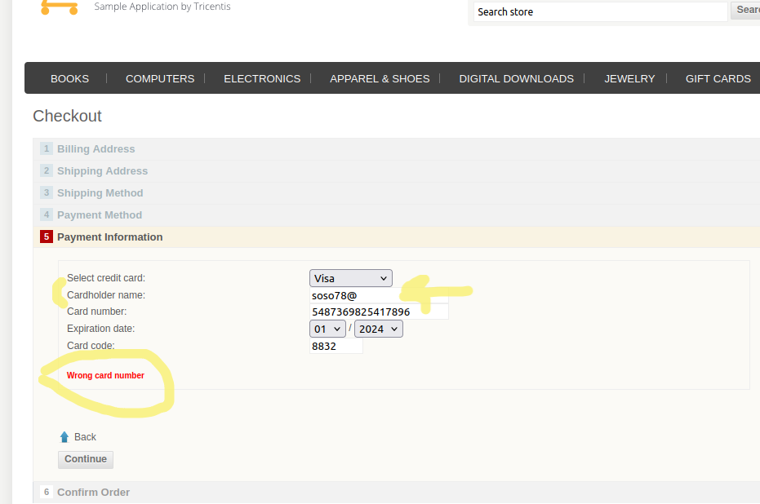

SEVERITY | X | PRIORITY | X
Critical | TRUE | Critical | TRUE
High |  | High
Medium |  | Medium
Low |  | Low

Expected Results |  | Actual Results
The Name on Card field should only accept alphabetical characters (a-z, A-Z), and optionally spaces. If the user enters invalid characters (numeric or special characters), an error message should be displayed indicating the correct input format (e.g., "Please enter a valid name"). |  | The Name on Card field accepts numeric values and special characters without displaying an error, allowing invalid data to be submitted.

bug30
Bug ID |  | tester | Date
DWS_30 |  | sondos | 2024-11-10

Title |  | FILE ATTACHMENT(S) | Environment
card number field accepts more than 16 digits |  |  | production linux OS laptop version: Ubuntu 22.04.4 LTS
DESCRIPTION |  | steps to reproduce | URL
Card number field should not accepts more 16 digits and provide clear error message if the user try to enter more the limit |  | 1. Navigate to the link of the website. 2.Place an order whatever as a guest or after login with right credentials and continue to the payment method. 3. choose credit card payment method 4. enter more than 16 digits and click on continue.

SCREENSHOT DEMONSTRATING BUG'S BEHAVIOR
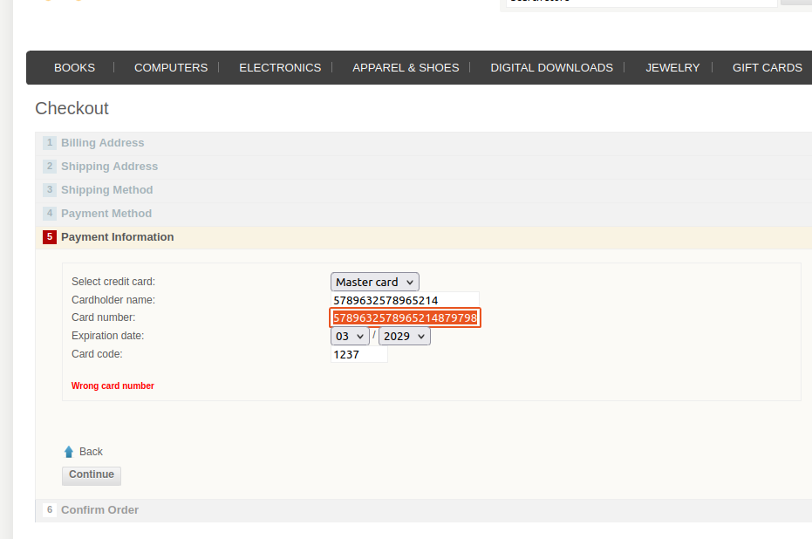

SEVERITY | X | PRIORITY | X
Critical |  | Critical
High | TRUE | High | TRUE
Medium |  | Medium
Low |  | Low

Expected Results |  | Actual Results
The card number field doesn't respond after 16 digit and provide clear error message of the limit |  | the field accepts more than 16 digits

bug33
Bug ID |  | tester | Date
DWS_33 |  | sondos | 2024-11-10

Title |  | FILE ATTACHMENT(S) | Environment
name fields in the register page accepts numeric values |  |  | production linux OS laptop version: Ubuntu 22.04.4 LTS
DESCRIPTION |  | steps to reproduce
The first name field and Last name fields in the register page accepts numeric values and special characters, it should accept only alphabetic values and preventing registering if other values entered |  | 1. Navigate to the link of the website. 2.Click on register link on the top of the page . 3. Fill the fields of the first name and second name with numbers & special characters 4. Fill all other fields(email and password, etc) and click on register button the go to ur new account

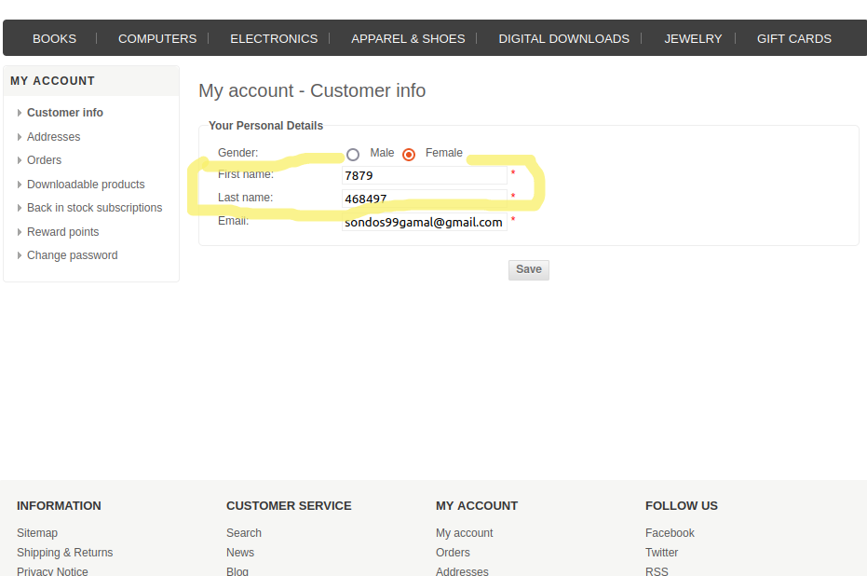
SCREENSHOT DEMONSTRATING BUG'S BEHAVIOR
video

SEVERITY | X | PRIORITY | X
Critical |  | Critical | TRUE
High | TRUE | High
Medium | TRUE | Medium
Low |  | Low

Expected Results |  | Actual Results
Error message of invalid value" please enter only alphabets" not proceeding to the next step |  | no error message, new account created

bug35
Bug ID |  | tester | Date
DWS_35 |  | sondos | 2024-11-10

Title |  | FILE ATTACHMENT(S) | Environment
accepting the same PO code for different order and no validation on its format |  |  | production linux OS laptop version: Ubuntu 22.04.4 LTS
DESCRIPTION |  | steps to reproduce
When you make an order and choose the payment method to be purchase order, it asks you to enter the PO for tracking; this code should always be unique for each order to avoid confusion and ensure proper tracking. |  | 1. Navigate to the link of the website. 2.Make an order then choose the payment method to be purchase order then enter the PO code in any format and confirm the order. 3. Go to the home page then make another order and choose the same payment method and enter the same PO code. 4. Confirm the second order too.

SCREENSHOT DEMONSTRATING BUG'S BEHAVIOR
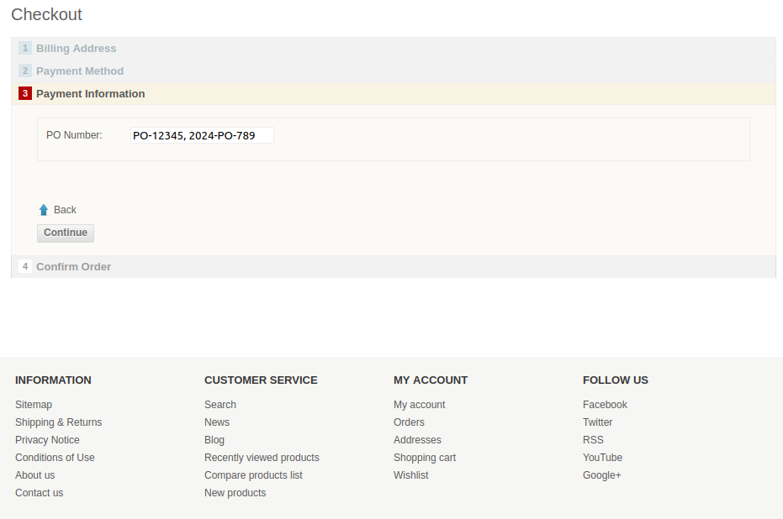
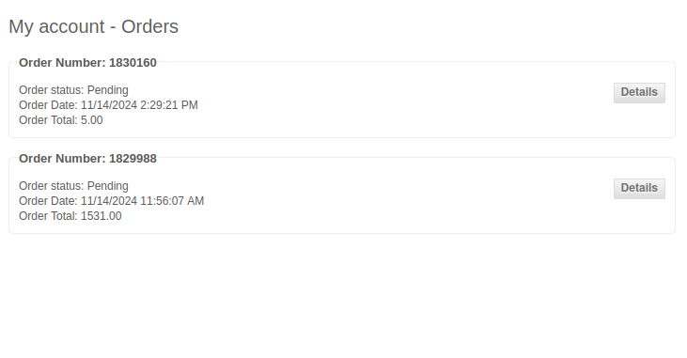

SEVERITY | X | PRIORITY | X
Critical |  | Critical
High | TRUE | High | TRUE
Medium |  | Medium
Low |  | Low

Expected Results |  | Actual Results
error message if duplicate po code asking the user to enter different one. show a specific format to user to follow |  | accepting the duplicated PO code for different orders and confirming them

bug36
Bug ID |  | tester | Date
DWS_36 |  | sondos | 2024-11-10

Title |  | FILE ATTACHMENT(S) | Environment
guest order is saved in the orders of the registered account |  |  | production linux OS laptop version: Ubuntu 22.04.4 LTS
DESCRIPTION |  | steps to reproduce
When you make an order as a guest without registering, then register with a different email and make an order, it saves the guest order in the order history of the registered account despite different emails. |  | 1. Navigate to the link of the website. 2.Make an order then choose as a guest during checkout and enter a valid email and fill all information for this order. 3. Go to the home page and register with different email and make new order. 4. Click on order history you will find both of orders.

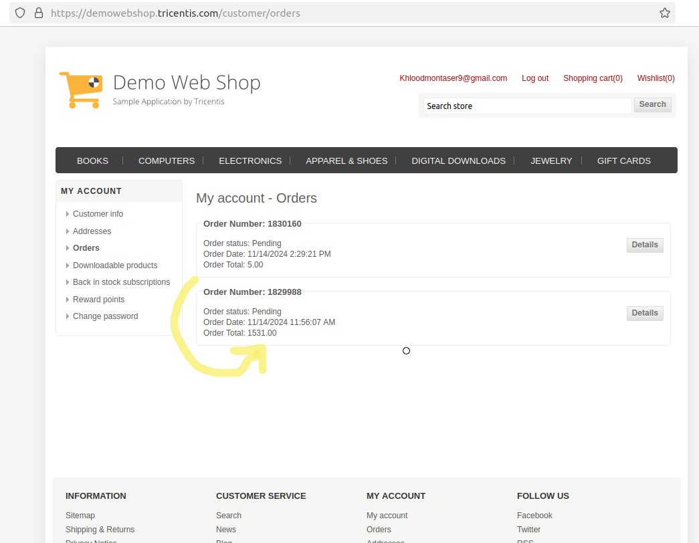
SCREENSHOT DEMONSTRATING BUG'S BEHAVIOR
video

SEVERITY | X | PRIORITY | X
Critical |  | Critical
High |  | High | TRUE
Medium | TRUE | Medium
Low |  | Low

Expected Results |  | Actual Results
the order history of the registered account shows only the order of this account |  | orders of guest is saved in the next registered account

bug37
Bug ID |  | tester | Date
DWS_37 |  | sondos | 2024-11-10

Title |  | FILE ATTACHMENT(S) | Environment
accepting changing mail with incorrect format and invalid one |  |  | production linux OS laptop version: Ubuntu 22.04.4 LTS
DESCRIPTION |  | steps to reproduce | URL
it doesn't check the minimum number if characters for the TLD at least it should be 2 characters for valid mails |  | 1. Navigate to the link of the website. 2.Login with right credentials . 3. Go to the ur email link appears in the top of the website 4. Click on email field and enter invalid email with one char TLD save

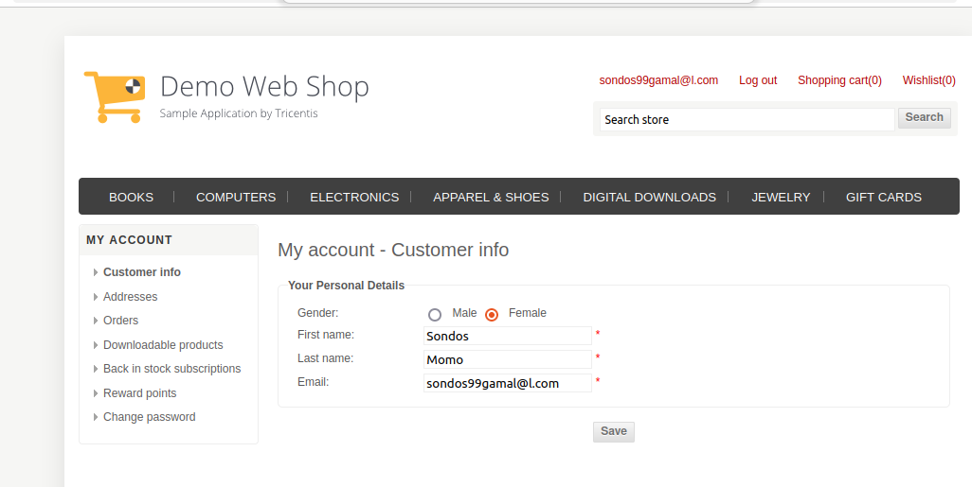
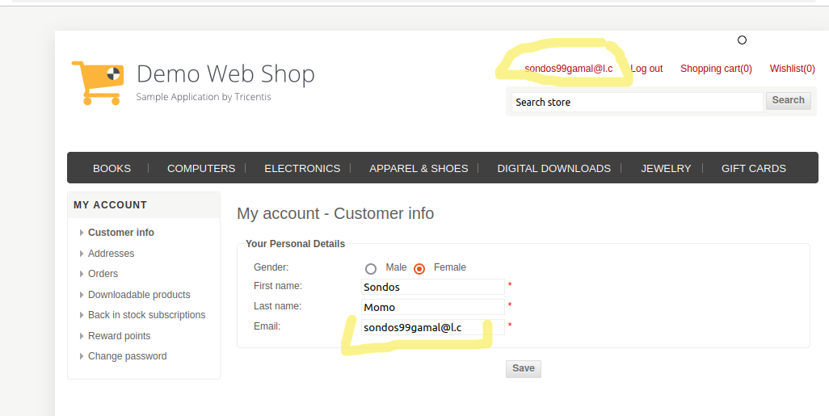
SCREENSHOT DEMONSTRATING BUG'S BEHAVIOR
video

SEVERITY | X | PRIORITY | X
Critical | TRUE | Critical | TRUE
High |  | High
Medium |  | Medium
Low |  | Low

Expected Results |  | Actual Results
error message of invalid mail and incorrect format & not saving (updating) the information of the account |  | no error message and save the invalid mail

bug38
Bug ID |  | tester | Date
DWS_38 |  | sondos | 2024-11-10

Title |  | FILE ATTACHMENT(S) | Environment
changing mail without any confirmation and authentication |  |  | production linux OS laptop version: Ubuntu 22.04.4 LTS
DESCRIPTION |  | steps to reproduce
you can edit your customer info and changing your email completely without sending any confirmation or to verify the process |  | 1. Navigate to the link of the website. 2.Login with right credentials . 3. Go to the ur email link appears in the top of the website 4. Click on email field and enter another email then click save

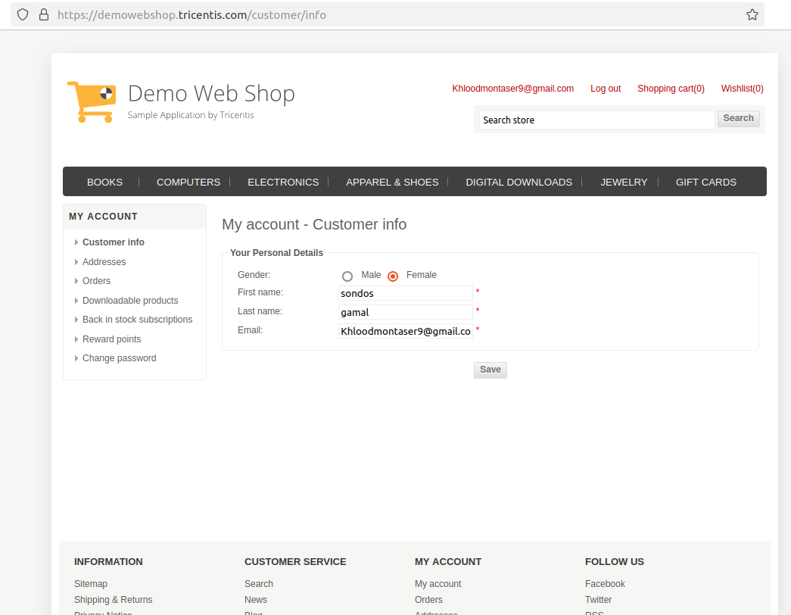
SCREENSHOT DEMONSTRATING BUG'S BEHAVIOR
video

SEVERITY | X | PRIORITY | X
Critical | TRUE | Critical | TRUE
High |  | High
Medium |  | Medium
Low |  | Low

Expected Results |  | Actual Results
sending confirmation mail to the old and new mail before saving and updating the information |  | saving the new mail without any confirmation

bug39
Bug ID |  | tester | Date
DWS_39 |  | sondos | 2024-11-10

Title |  | FILE ATTACHMENT(S) | Environment
changing password without sending any confirmation to email |  |  | production linux OS laptop version: Ubuntu 22.04.4 LTS
DESCRIPTION |  | steps to reproduce
the ability to change the password multiple time without any limitations , and without any confirmation sent to mail. this can happen too after changing the email of the account which leads to completely different user |  | 1. Navigate to the link of the website. 2.Login with right credentials . 3. Go to the ur email link appears in the top of the website 4. Click on change password and enter the old password then the new one twice and save

SCREENSHOT DEMONSTRATING BUG'S BEHAVIOR
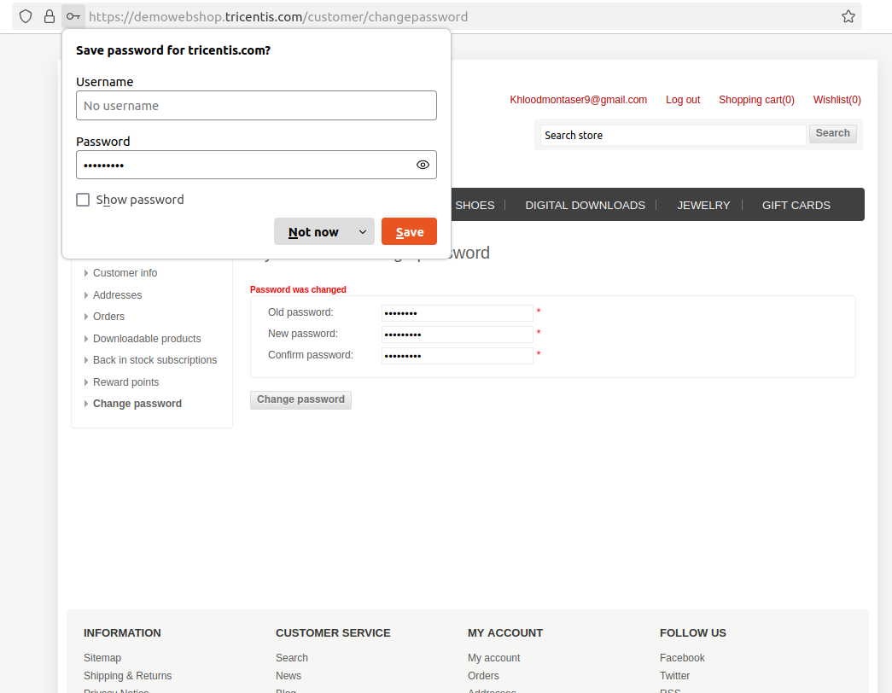

SEVERITY | X | PRIORITY | X
Critical | TRUE | Critical | TRUE
High |  | High
Medium |  | Medium
Low |  | Low

Expected Results |  | Actual Results
receive a code via email to confirm the password change request. |  | password has changed without any authentications and formultipple timei a row

bug40
Bug ID |  | tester | Date
DWS_40 |  | sondos | 2024-11-10

Title |  | FILE ATTACHMENT(S) | Environment
compare list not showing all the specifications of the products inside it displays only the price |  |  | production linux OS laptop version: Ubuntu 22.04.4 LTS
DESCRIPTION |  | steps to reproduce
The compare list should display all the specifications of the product inside it. So, the user can identify which product to buy if there are any similar products, but it shows just the price. |  | 1. Navigate to the link of the website. 2. Choose any product that can be added to the compare list and add it in the compare list . 3. Go to the compare list

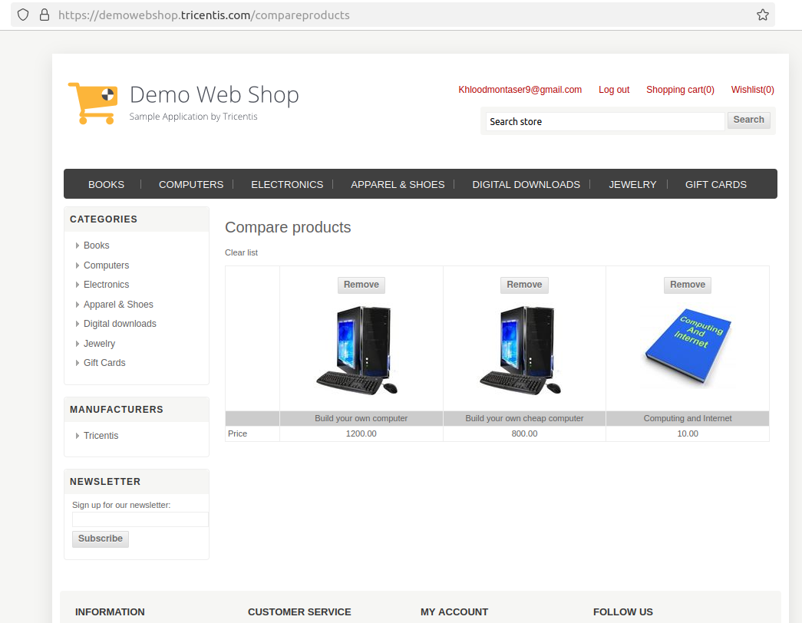
SCREENSHOT DEMONSTRATING BUG'S BEHAVIOR
video

SEVERITY | X | PRIORITY | X
Critical |  | Critical
High |  | High | TRUE
Medium | TRUE | Medium
Low |  | Low

Expected Results |  | Actual Results
finding all the d=specifications of the product added to the compare list (description, information related to the cat, price ) |  | finding only the price of each product added to the compare list

bug41
Bug ID |  | tester | Date
DWS_41 |  | sondos | 2024-11-10

Title |  | FILE ATTACHMENT(S) | Environment
no "remove from wishlist" option if pressing the link of the wishlist |  |  | production linux OS laptop version: Ubuntu 22.04.4 LTS
DESCRIPTION |  | steps to reproduce
this issue happens when clicking the link of wishlist it directs you to the same wishlist page but with different bad interface |  | 1. Navigate to the the website. 2. Choose any product that can be added to the wishlist and add it . 3. Go to the wishlist 4. Click on the link provided (to share your wishlist)

SCREENSHOT DEMONSTRATING BUG'S BEHAVIOR
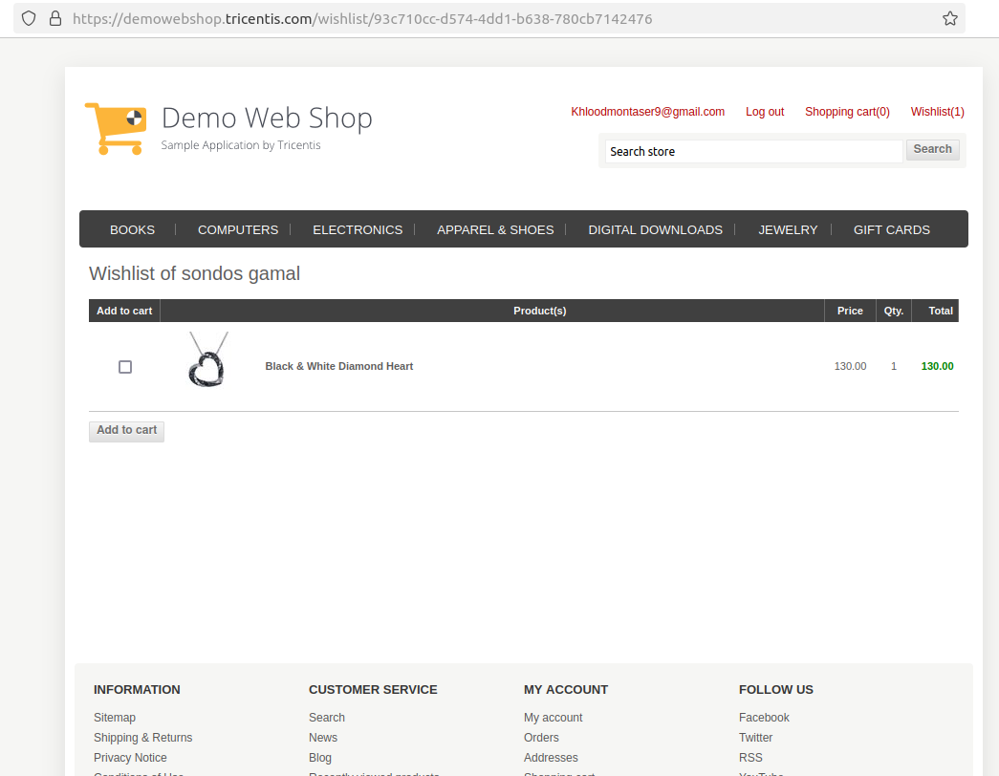

SEVERITY | X | PRIORITY | X
Critical |  | Critical
High |  | High
Medium |  | Medium | TRUE
Low | TRUE | Low

Expected Results |  | Actual Results
Finding remove from wishlist button |  | interface without any remove from wishlist button

bug42
Bug ID |  | tester | Date
DWS_42 |  | sondos | 2024-11-10

Title |  | FILE ATTACHMENT(S) | Environment
no verification mail is sent for newsletter mail |  |  | production linux OS laptop version: Ubuntu 22.04.4 LTS
DESCRIPTION |  | steps to reproduce
When entering an email for newsletter subscription, it should send a verification mail to that email, but nothing is sent. |  | 1. Navigate to the link of the website. 2. Choose any category of the product (e.g., computers, books, etc.). 3. Enter a valid email in the field of the newsletter 4. Check your mail for the verification code.

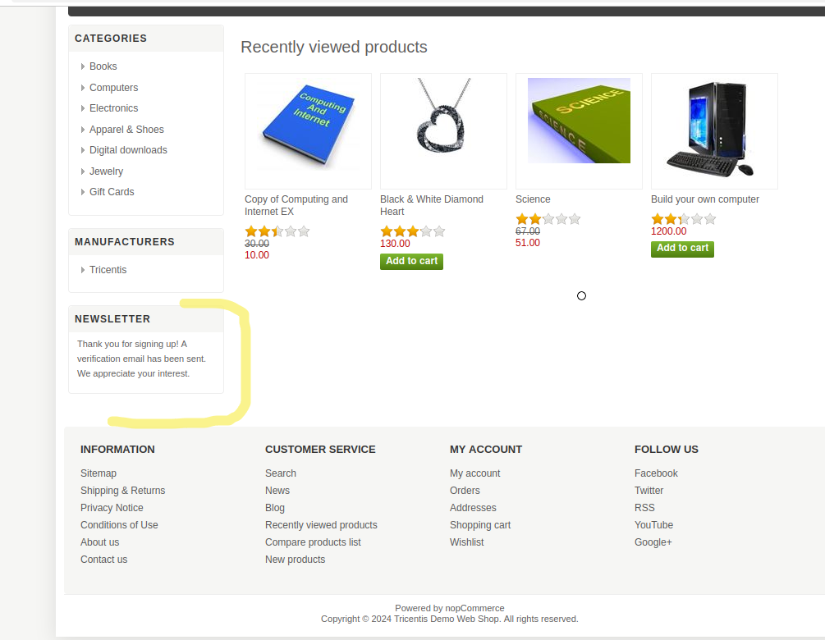
SCREENSHOT DEMONSTRATING BUG'S BEHAVIOR
video

SEVERITY | X | PRIORITY | X
Critical |  | Critical
High |  | High | TRUE
Medium | TRUE | Medium
Low |  | Low

Expected Results |  | Actual Results
finding a verification mail in the mailbox |  | no mail found

bug 24
Bug ID |  | tester | Date
DWS_24 |  | sondos | 2024-11-10

Title |  | FILE ATTACHMENT(S) | Environment
 |  |  | production linux OS laptop version: Ubuntu 22.04.4 LTS
DESCRIPTION |  | steps to reproduce | URL

SCREENSHOT DEMONSTRATING BUG'S BEHAVIOR
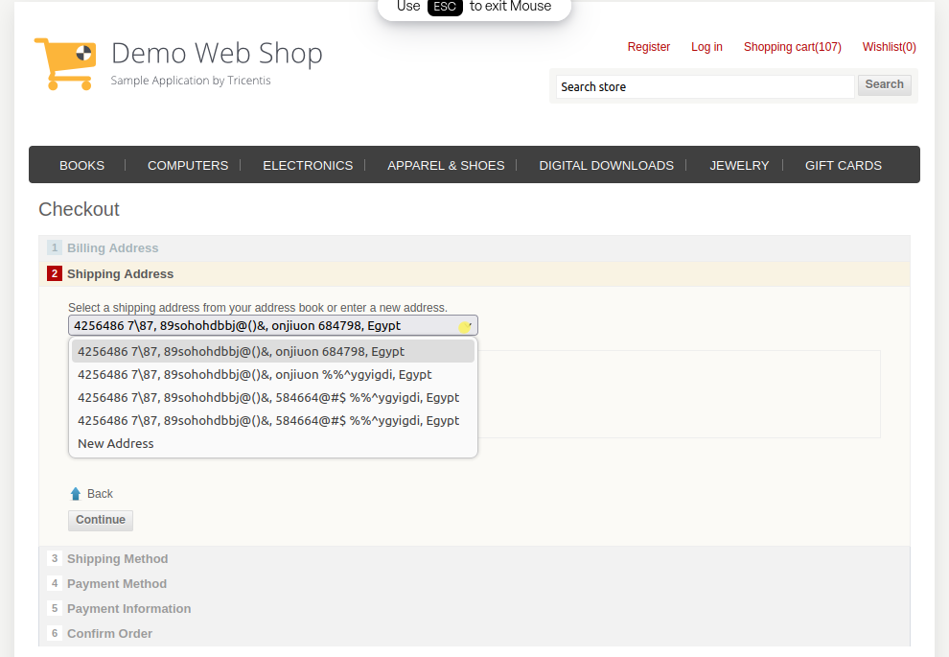

SEVERITY | X | PRIORITY | X
Critical |  | Critical
High |  | High
Medium |  | Medium
Low |  | Low

Expected Results |  | Actual Results

bug43
Bug ID |  | tester | Date
DWS_43 |  | sondos | 2024-11-10

Title |  | FILE ATTACHMENT(S) | Environment
saving all mails even opening from private browsers |  |  | production linux OS laptop version: Ubuntu 22.04.4 LTS
DESCRIPTION |  | steps to reproduce

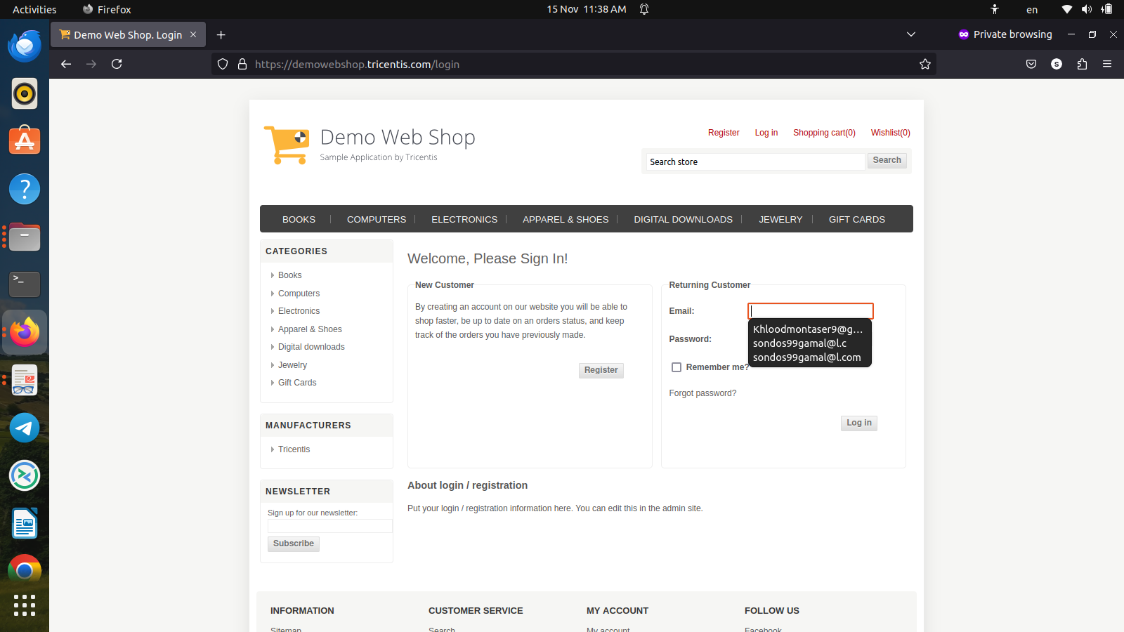
SCREENSHOT DEMONSTRATING BUG'S BEHAVIOR
video

SEVERITY | X | PRIORITY | X
Critical |  | Critical
High | TRUE | High | TRUE
Medium |  | Medium
Low |  | Low

Expected Results |  | Actual Results

